Sheet1
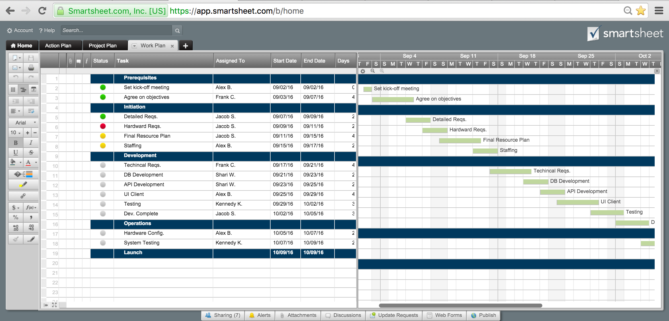
Project Plan for New Business
Phase 1: Strategic Plan
Phase 2: Define the Business

Tasks | Start | End | Days | 2015-09-02 | 2015-09-03 | 2015-09-04 | 2015-09-05 | 2015-09-06 | 2015-09-07 | 2015-09-08 | 2015-09-09 | 2015-09-10 | 2015-09-11 | 2015-09-12 | 2015-09-13 | 2015-09-14 | 2015-09-15 | 2015-09-16 | 2015-09-17 | 2015-09-18 | 2015-09-19 | 2015-09-20 | 2015-09-21 | 2015-09-22 | 2015-09-23 | 2015-09-24 | 2015-09-25 | 2015-09-26 | 2015-09-27 | 2015-09-28 | 2015-09-29 | 2015-09-30 | 2015-10-01
Phase 1: Self-Assessment
Define business vision | 2015-09-02 | 2015-09-02 | 0
Identify skills | 2015-09-03 | 2015-09-03 | 0
Decide whether to proceed | 2015-09-04 | 2015-09-04 | 0
Phase 1: Define Opportunity
Research market | 2015-09-05 | 2015-09-05 | 0
Conduct interviews | 2015-09-06 | 2015-09-10 | 4
Identify needed resources | 2015-09-11 | 2015-09-13 | 2
Identify operating costs | 2015-09-13 | 2015-09-14 | 1
Phase 1: Evaluate Potential Risks
Assess market size | 2015-09-15 | 2015-09-17 | 2
Estimate competition | 2015-09-17 | 2015-09-18 | 1
Assess needed resources | 2015-09-18 | 2015-09-19 | 1
Determine financial requirements | 2015-09-19 | 2015-09-21 | 2
Evaluate profitability | 2015-09-21 | 2015-09-22 | 1
Review strategy | 2015-09-22 | 2015-09-23 | 1
Phase 2: Define the Market
Access available research | 2015-09-23 | 2015-09-25 | 2
Create market analysis | 2015-09-26 | 2015-09-29 | 3
Implement market analysis | 2015-09-29 | 2015-10-01 | 2

Or, Click Here to Create Your Business Plan in Smartsheet

